Example
 | Input field | Date: | 2022-08-15
 | Output field | Address: | 2D, 61 OSCBORNE STREET
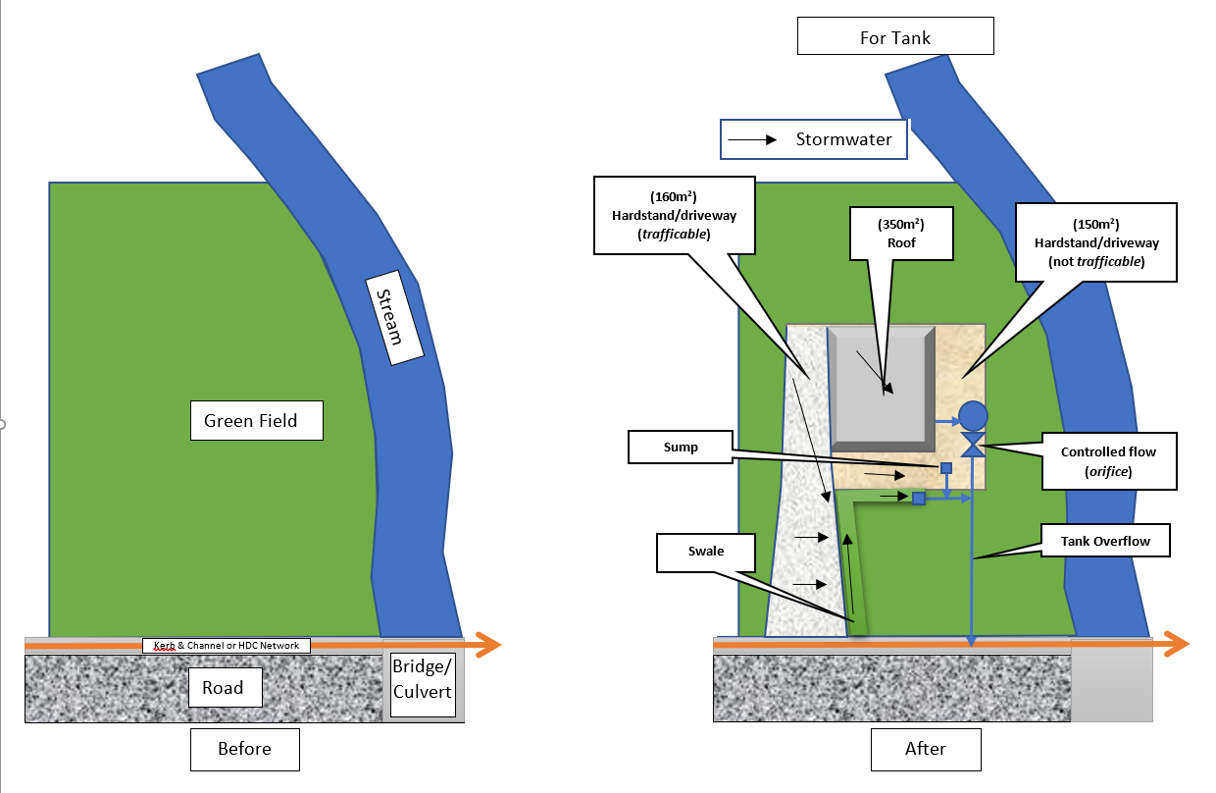
Link to get Intensities | https://hirds.niwa.co.nz/

 | Table.1 Rainfall intensities (mm/hr) :: RCP8.5 for the period 2081-2100
Rainfall Intensity HIRDS V4 RCP8.5 for the period 2081-2100 |  |  | min | 10 | 20 | 30 | 60 | 120 | 360 | 720 | 1440 | 2880 | 4320 | 5760 | 7200
 | ARI | ARI | AEP | 10m | 20m | 30m | 1h | 2h | 6h | 12h | 24h | 48h | 72h | 96h | 120h
 | 2 | 1.58 | 0.633 | 26.8 | 19 | 15.8 | 11.7 | 8.58 | 5.1 | 3.55 | 2.39 | 1.52 | 1.13 | 0.909 | 0.76
 | 2 | 2 | 0.5 | 30.7 | 21.7 | 18 | 13.3 | 9.78 | 5.78 | 4.02 | 2.68 | 1.71 | 1.28 | 1.02 | 0.852
 | 5 | 5 | 0.2 | 44.9 | 31.6 | 26.1 | 19.1 | 14 | 8.21 | 5.67 | 3.75 | 2.37 | 1.77 | 1.41 | 1.17
 | 10 | 10 | 0.1 | 56.5 | 39.7 | 32.7 | 23.8 | 17.3 | 10.1 | 6.95 | 4.59 | 2.89 | 2.15 | 1.71 | 1.42
 | 20 | 20 | 0.05 | 69.4 | 48.5 | 39.8 | 28.9 | 21 | 12.2 | 8.32 | 5.45 | 3.43 | 2.54 | 2.02 | 1.67
 | 30 | 30 | 0.033 | 77.6 | 54 | 44.4 | 32.1 | 23.2 | 13.4 | 9.16 | 5.99 | 3.76 | 2.78 | 2.21 | 1.83
 | 40 | 40 | 0.025 | 83.6 | 58.1 | 47.6 | 34.4 | 24.9 | 14.4 | 9.78 | 6.39 | 3.99 | 2.95 | 2.34 | 1.94
 | 50 | 50 | 0.02 | 88.5 | 61.5 | 50.4 | 36.4 | 26.2 | 15.1 | 10.3 | 6.69 | 4.18 | 3.09 | 2.45 | 2.03
 | 60 | 60 | 0.017 | 92.5 | 64.2 | 52.6 | 37.9 | 27.3 | 15.7 | 10.7 | 6.95 | 4.33 | 3.2 | 2.54 | 2.1
 | 80 | 80 | 0.013 | 99.2 | 68.7 | 56.2 | 40.5 | 29.1 | 16.7 | 11.3 | 7.35 | 4.58 | 3.38 | 2.67 | 2.21
 | 100 | 100 | 0.01 | 104 | 72.2 | 59 | 42.5 | 30.5 | 17.5 | 11.8 | 7.68 | 4.77 | 3.51 | 2.79 | 2.3
 | 250 | 250 | 0.004 | 127 | 87.2 | 71.1 | 50.8 | 36.3 | 20.6 | 13.9 | 8.97 | 5.55 | 4.07 | 3.22 | 2.66

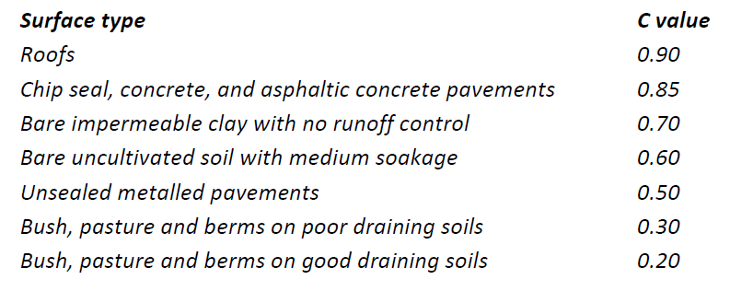
Column1 | Column2 | Column4
Items | Symbol |  | Proposed or Developing Condition
Catchment Characteristics
Roof | Ar (m2) | m2 | 200.00
Runoff Coeffient (Roof) | Cr |  | 0.90
Road & Hard Stand | Ah (m2) | m2 | 168.63
Runoff Coeffient (Road & Hard Stand) | Ch |  | 0.85
Other Area | Ao (m2) | m2
C for other areas | Co |  | 0.60
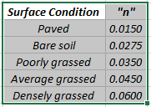
Total Area | A (m2) | m2 | 368.63
Gross C | C |  | 0.88

Ground Slope
Length | L (m) | m | 41.30
height | Hus (m) | m | 3.50
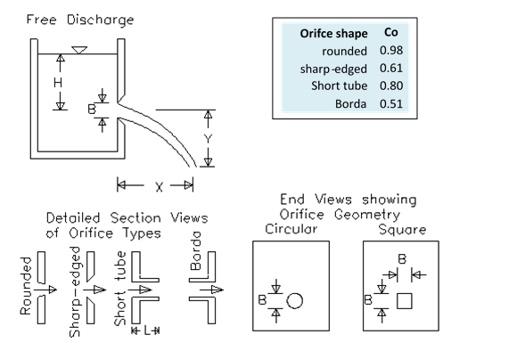
Ground Slope s | S (%) | % | 8.47

Ground Roughness | Manning’s ‘n’ |  | 0.06
For Hanmer Southern Flats use 80. For all other areas use 100.
Time of Travel |  | min | 14

Rainfall Intensity HIRDS V4 (50yr ARI) | I (mm/h) | mm/hr | 77.70
% of Peak flow attenuation | % | % | 100 |  |  | Use actual size supplied by the tank manufacturer. If you don’t know the dimensions, the table below can be used as a reference.
Green Field Flow Rate Required | Q (m3/s) | m3/s | 0.0020

Storage Volume Required at greenfield flow | Vd | m3 | 4.61

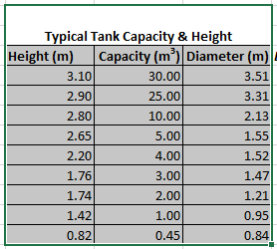
Orifice Design |  |  | Design | Suggested
Depth/Height of the tank (base to overflow) | Td | m | 2.90
Overflow pipe diameter | Opd | mm | 100
Orifice to overflow height (center to center) | H | m | 2.40
Height Check |  |  | ok
Orifice Coefficient | Co |  | 0.80
Orifce Design Diameter (mm) | B | mm | 13.00 | 21.49
Orifice flow | Qo | m3/sec | 0.0007 |  |  |  |  |  | *This calculation is only to be used after the permit from Hurunui District Council as a design aid for soakpit and should not be used or relied upon by any other person or entity or for any other purposes. No responsibility is accepted by Hurunui District Council or its staff or employees for the accuracy of information provided by third parties and/ or the use of any part of this calculation in any other context or for any other purposes. Any kind of modification of the sheet is not allowed without permission from HDC. Note: Typiocal tank dimensions are specify in the sheet "Water Tanks Specifications".
Flow Check |  |  | ok

This part of the calculation is applicable to only typical above ground cylindrical tank. For other type of tanks please ensure that the tank dimensions are satisfying the required storage volume (yellow cell)
(yellow cell)
Tank design |  |  | Design
Tank storage required (depends on orifice size) |  | m3 | 13.58
Tank diameter |  | m | 3.31 | 2.68
Storage in tank (from orifice to overflow) |  | m3 | 20.65
Storage in tank (from base to orifice) for use |  | m3 | 4.30
Total Storage |  | m3 | 25.0
Capacity Check |  |  | ok
Storage check |  |  | ok
This excel file is not capable of doing calculation for multiple tank setup. Please take advise in those cases.

Calculation
 | Input field | Date:
 | Output field | Address:

Link to get Intensities | https://hirds.niwa.co.nz/

 | Table.1 Rainfall intensities (mm/hr) :: RCP8.5 for the period 2081-2100
Rainfall Intensity HIRDS V4 RCP8.5 for the period 2081-2100 |  |  | min | 10 | 20 | 30 | 60 | 120 | 360 | 720 | 1440 | 2880 | 4320 | 5760 | 7200
 | ARI
 | 2
 | 2
 | 5
 | 10
 | 20
 | 30
 | 40
 | 50
 | 60
 | 80
 | 100
 | 250

Column1 | Column2 | Column4
Items | Symbol |  | Proposed or Developing Condition
Catchment Characteristics
Roof | Ar (m2) | m2
Runoff Coeffient (Roof) | Cr |  | 0.90
Road & Hard Stand | Ah (m2) | m2
Runoff Coeffient (Road & Hard Stand) | Ch |  | 0.85
Other Area | Ao (m2) | m2
C for other areas | Co |  | 0.60
Total Area | A (m2) | m2 | 0.00
Gross C | C |  | #DIV/0!

Ground Slope
Length | L (m) | m
height | Hus (m) | m
Ground Slope s | S (%) | % | #DIV/0!

Ground Roughness | Manning’s ‘n’ |  | 0.06
For Hanmer Southern Flats use 80. For all other areas use 100.
Time of Travel |  | min | #DIV/0!

Rainfall Intensity HIRDS V4 (50yr ARI) | I (mm/h) | mm/hr | #DIV/0!
% of Peak flow attenuation | % | % | 100
Green Field Flow Rate Required | Q (m3/s) | m3/s | #DIV/0!

Storage Volume Required at greenfield flow | Vd | m3 | #DIV/0!

Orifice Design |  |  | Design | Suggested
Depth/Height of the tank (base to overflow) | Td | m
Overflow pipe diameter | Opd | mm | 100
Orifice to overflow height (center to center) | H | m
Height Check |  |  | not ok
Orifice Coefficient | Co |  | 0.80
Orifce Design Diameter (mm) | B | mm |  | #DIV/0!
Orifice flow | Qo | m3/sec | 0.0000 |  |  |  |  |  | *This calculation is only to be used after the permit from Hurunui District Council as a design aid for soakpit and should not be used or relied upon by any other person or entity or for any other purposes. No responsibility is accepted by Hurunui District Council or its staff or employees for the accuracy of information provided by third parties and/ or the use of any part of this calculation in any other context or for any other purposes. Any kind of modification of the sheet is not allowed without permission from HDC.
Flow Check |  |  | #DIV/0!

This part of the calculation is applicable to only typical above ground cylindrical tank. For other type of tanks please ensure that the tank dimensions are satisfying the required storage volume (yellow cell)
(yellow cell)
Tank design |  |  | Design
Tank storage required (depends on orifice size) |  | m3 | #DIV/0!
Tank diameter |  | m |  | #DIV/0!
Storage in tank (from orifice to overflow) |  | m3 | 0.00
Storage in tank (from base to orifice) for use |  | m3 | 0.00
Total Storage |  | m3 | 0.0
Capacity Check |  |  | #DIV/0!
Storage check |  |  | #DIV/0!
This excel file is not capable of doing calculation for multiple tank setup. Please take advise in those cases.

